Sheet1
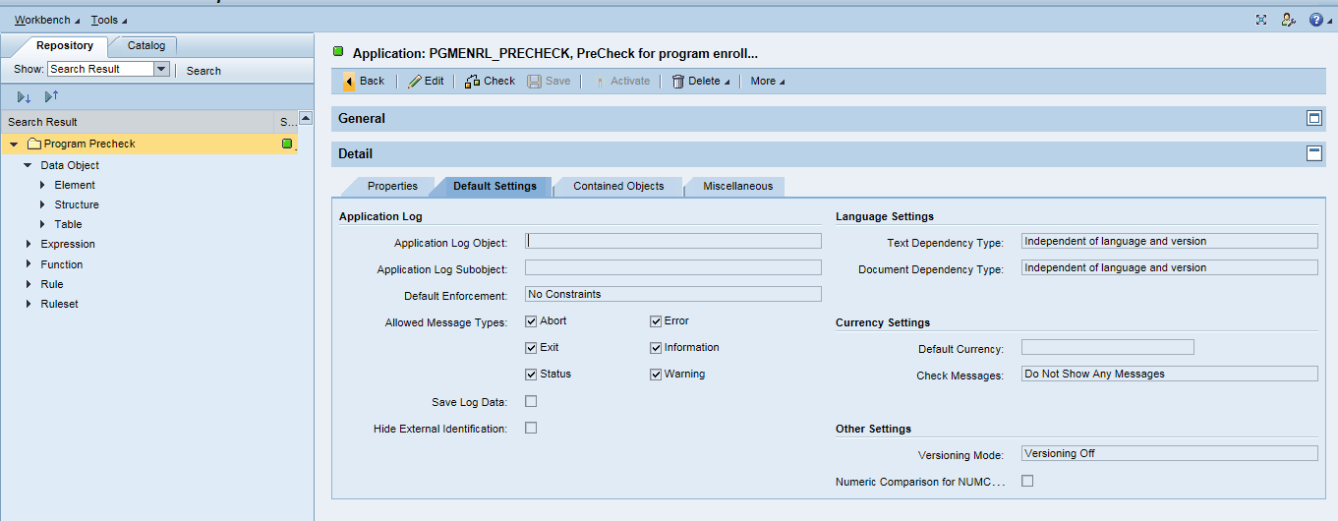

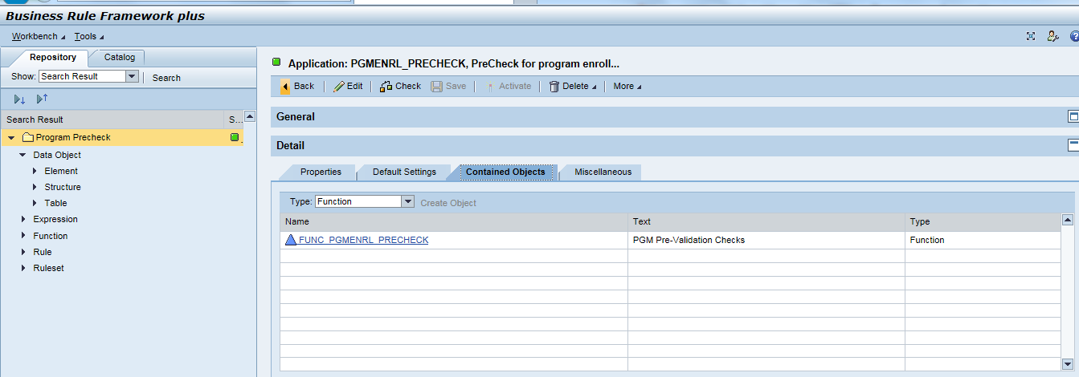

Data Object-Element
Data Objects

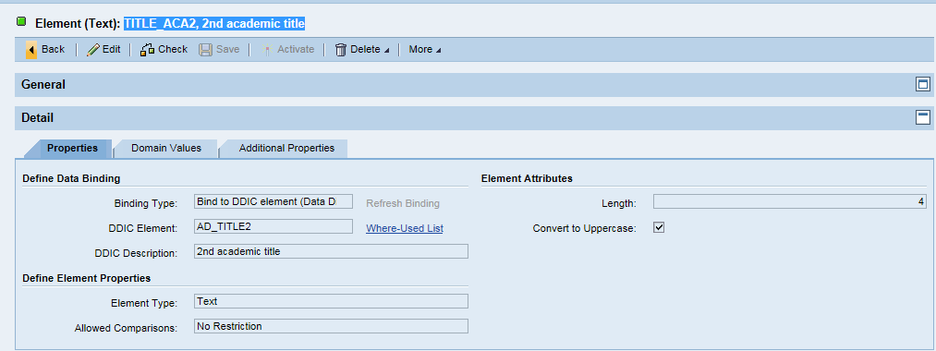
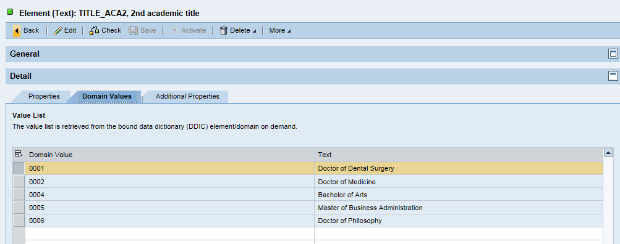
TITLE_ACA2, 2nd academic title

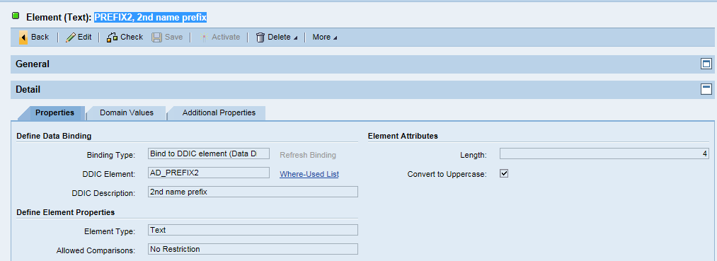
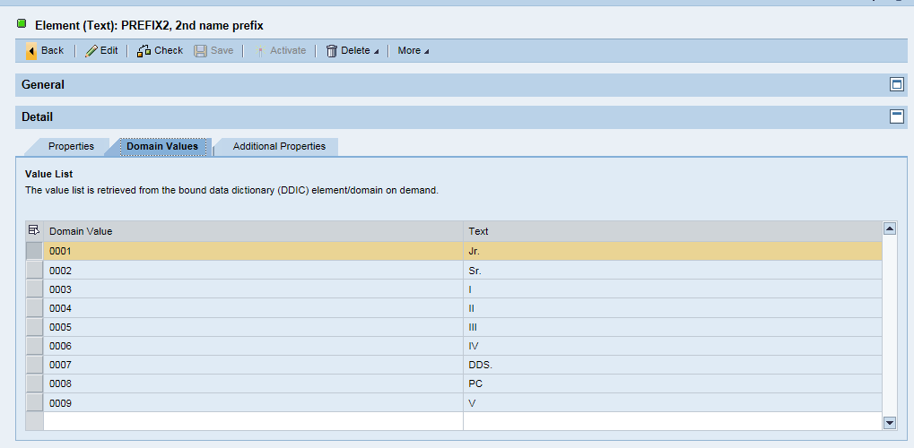
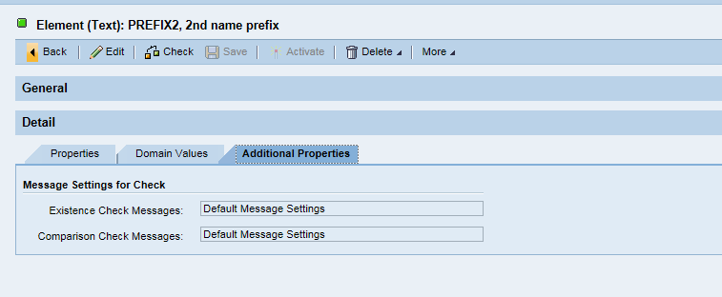
PREFIX2, 2nd name prefix

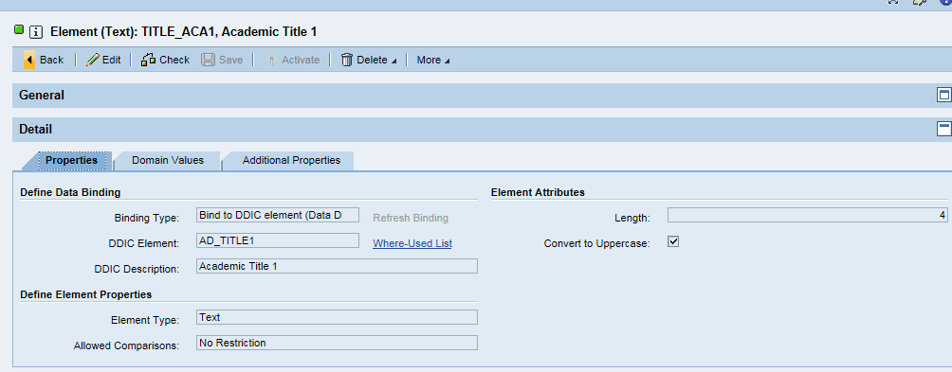
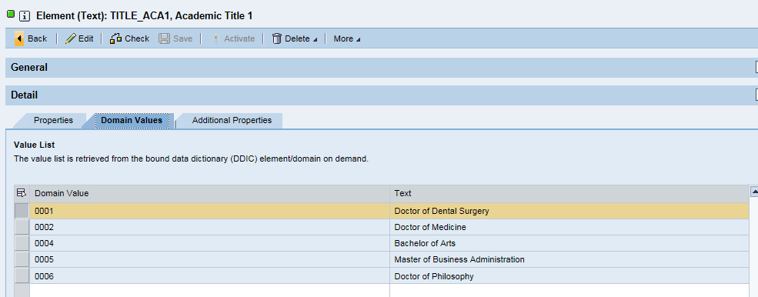
TITLE_ACA1, Academic Title 1

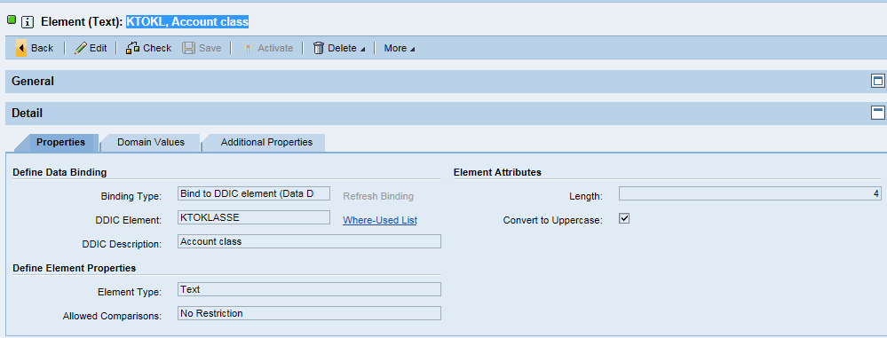
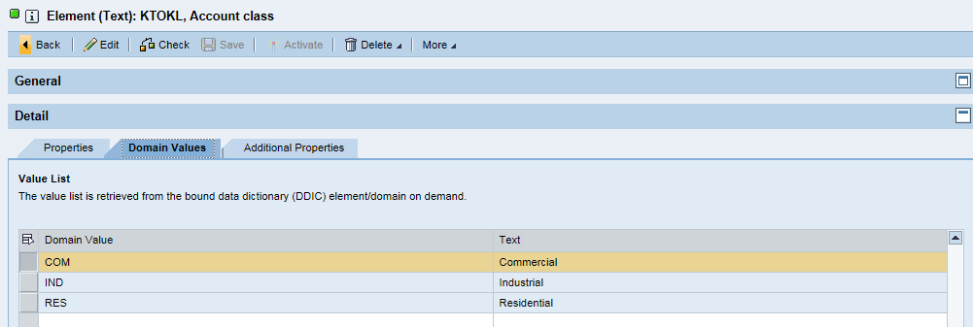
KTOKL, Account class

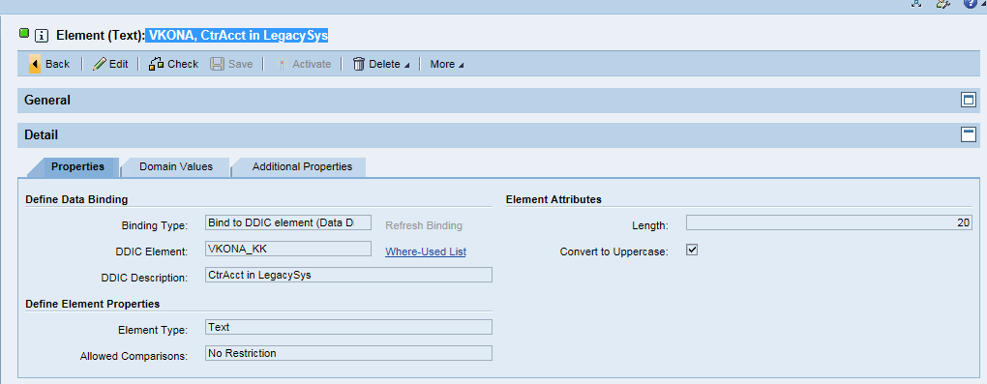
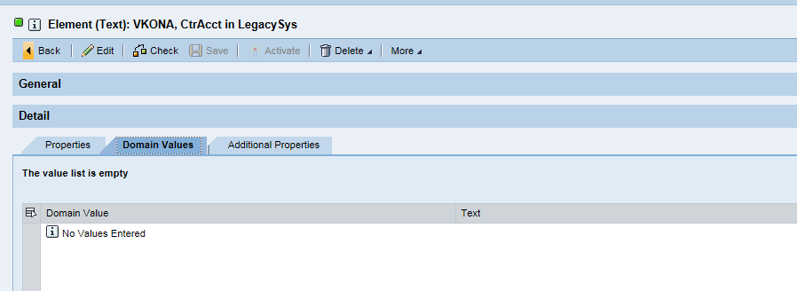
VKONA, CtrAcct in LegacySys

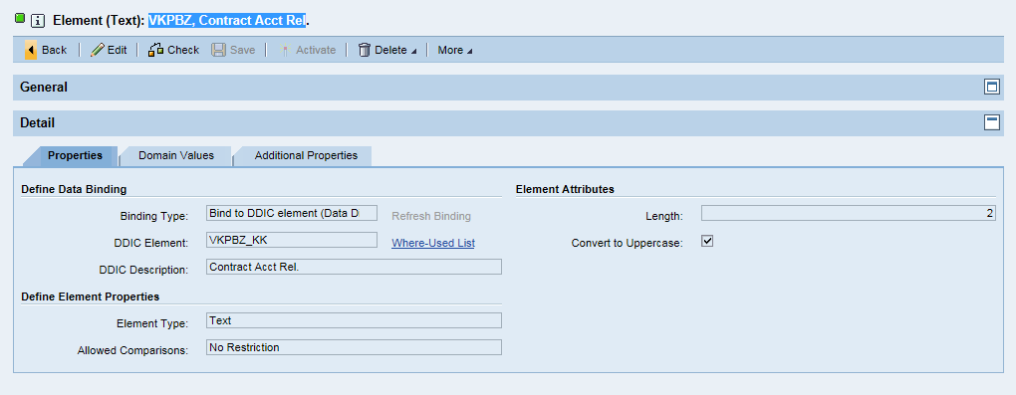
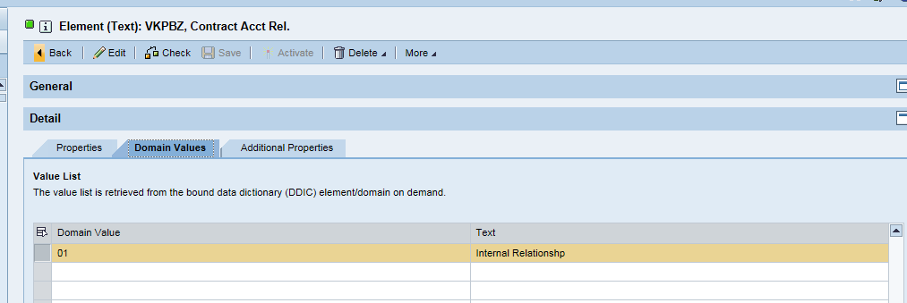
VKPBZ, Contract Acct Rel

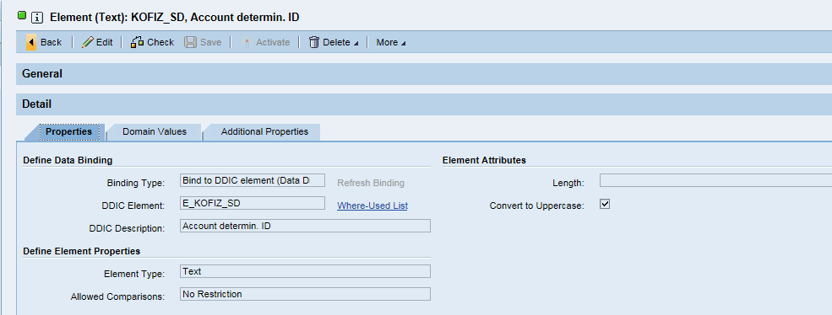
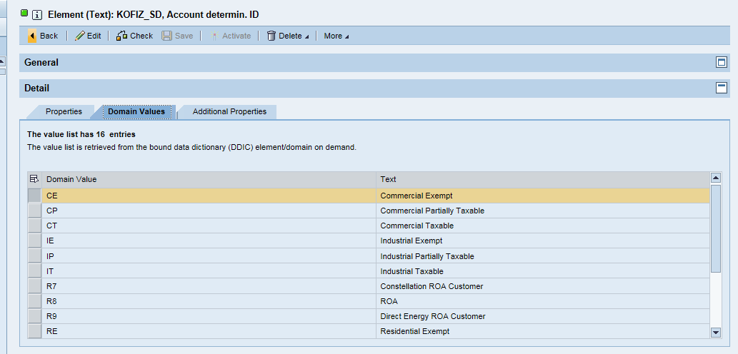
KOFIZ_SD, Account determin. ID

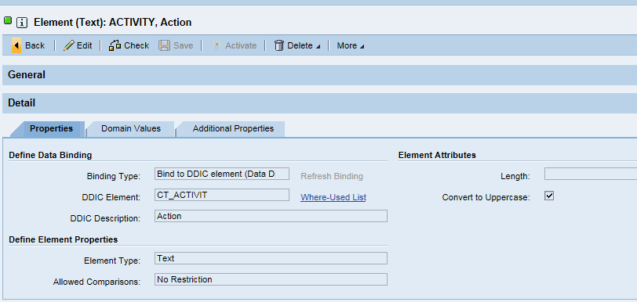
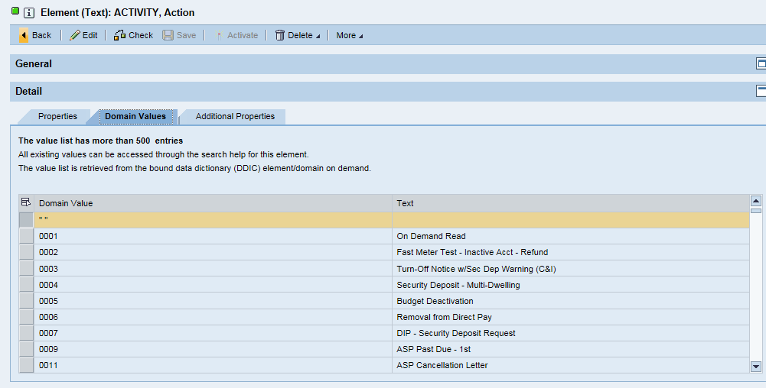
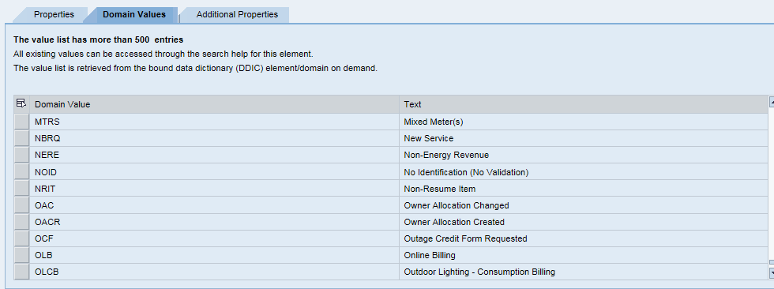
ACTIVITY, Action

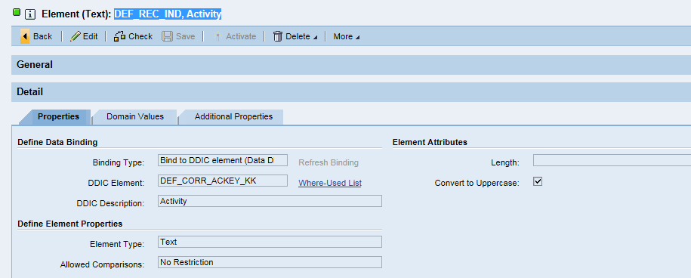
DEF_REC_IND, Activity

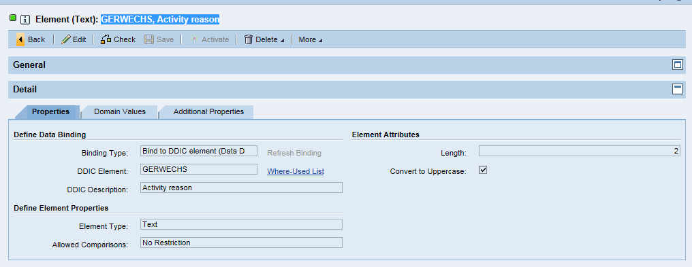
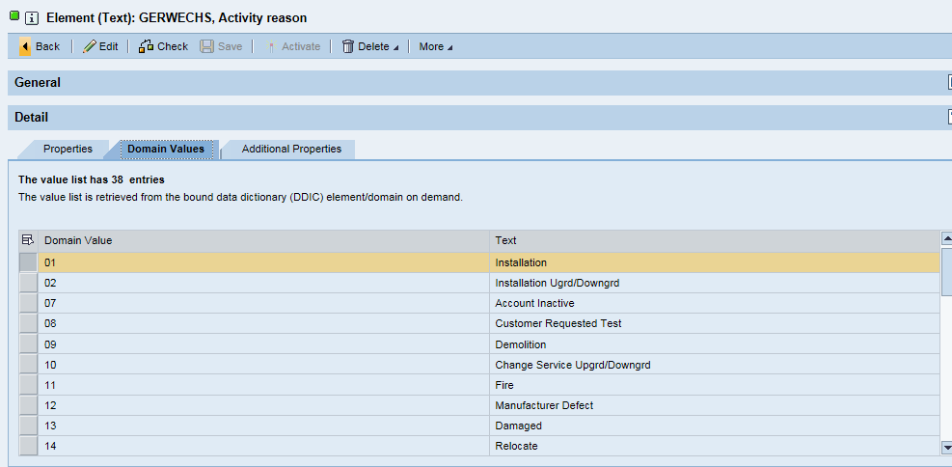
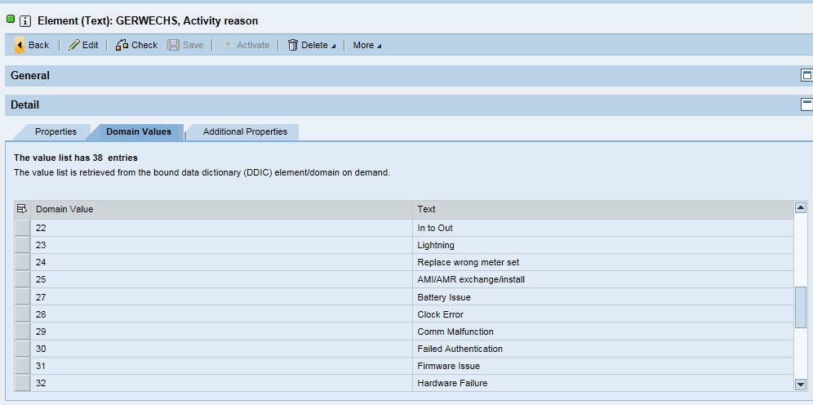
GERWECHS, Activity reason

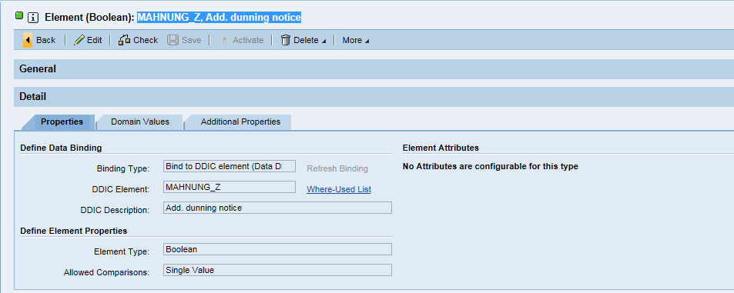
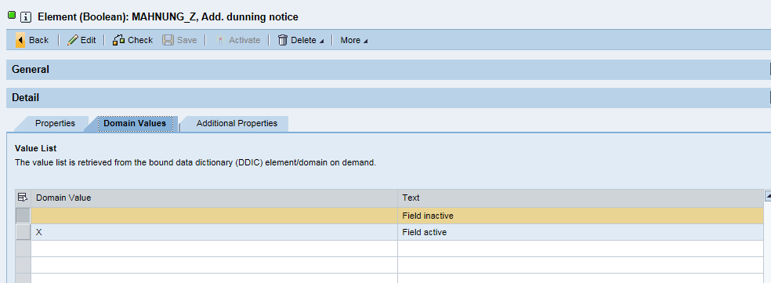
MAHNUNG_Z, Add. dunning notice

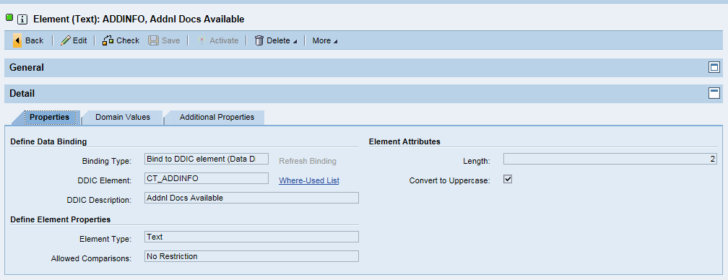
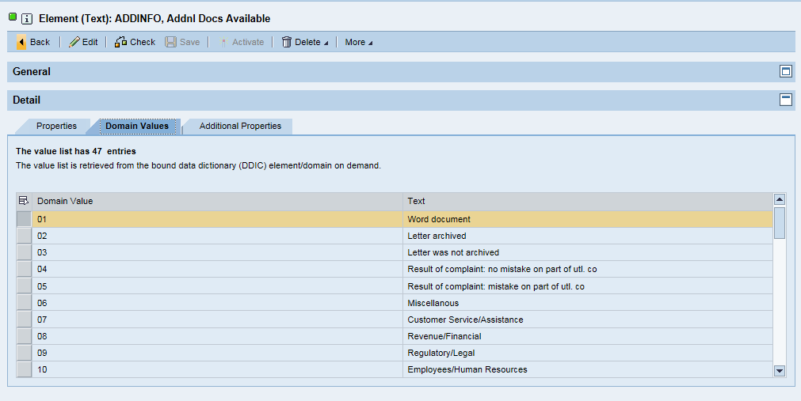
ADDINFO, Addnl Docs Available

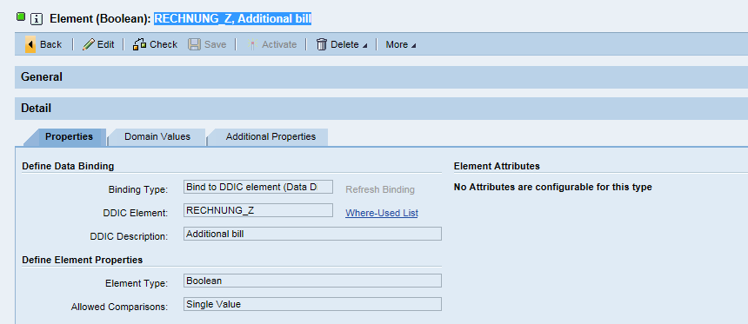

RECHNUNG_Z, Additional bill

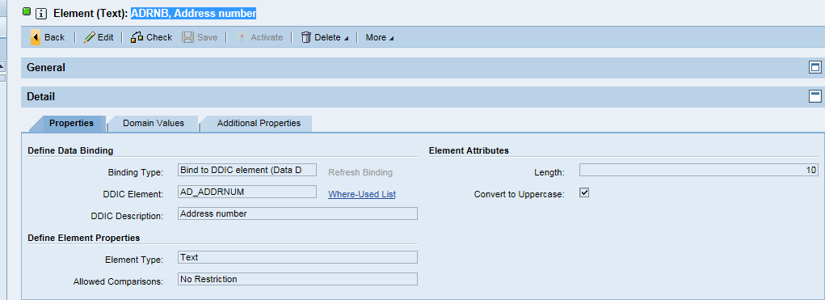
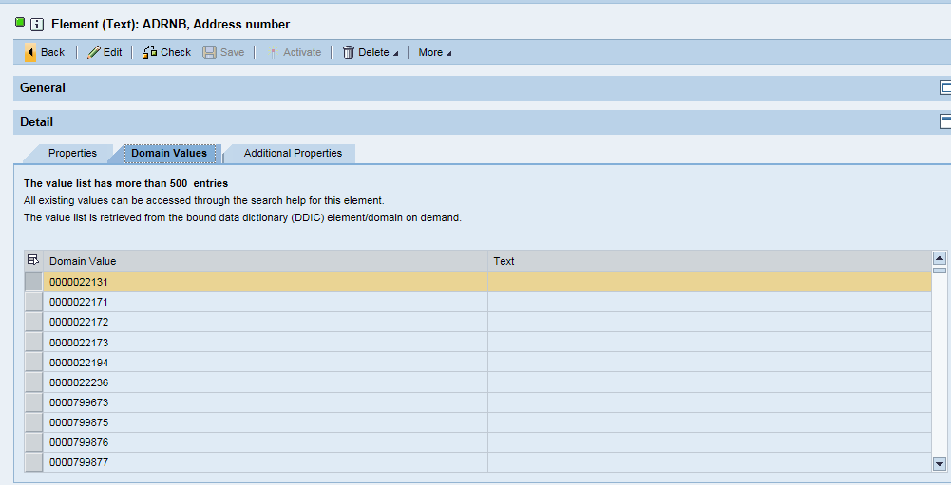
ADRNB, Address number

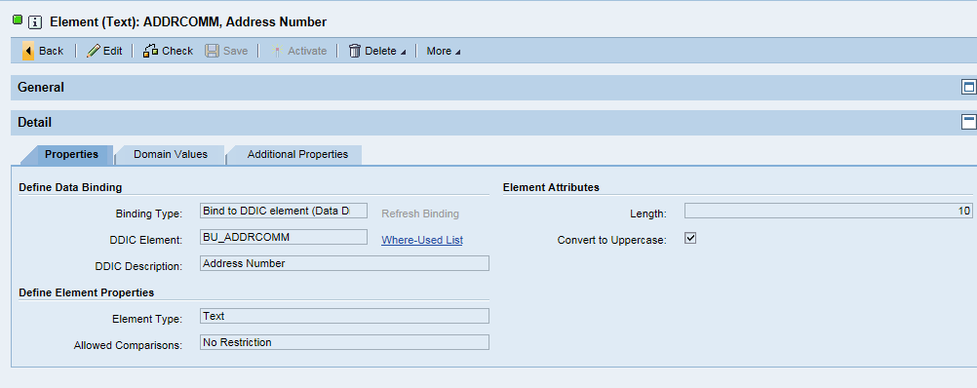
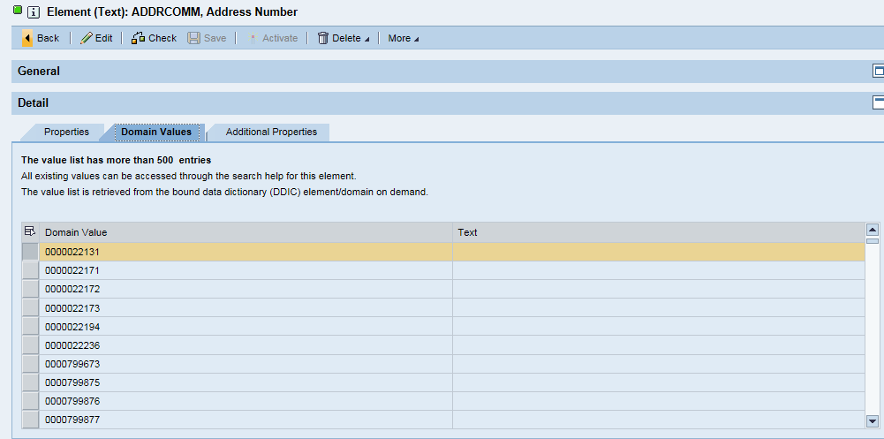
ADDRCOMM, Address Number

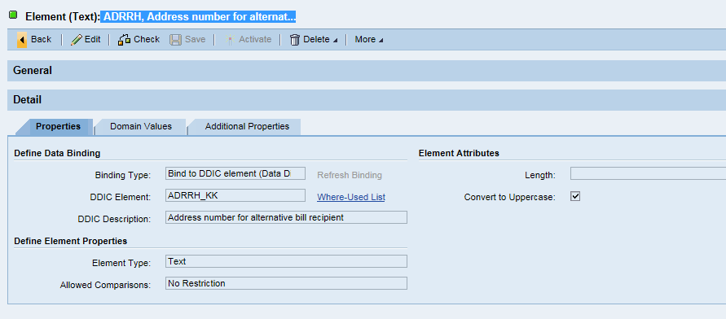
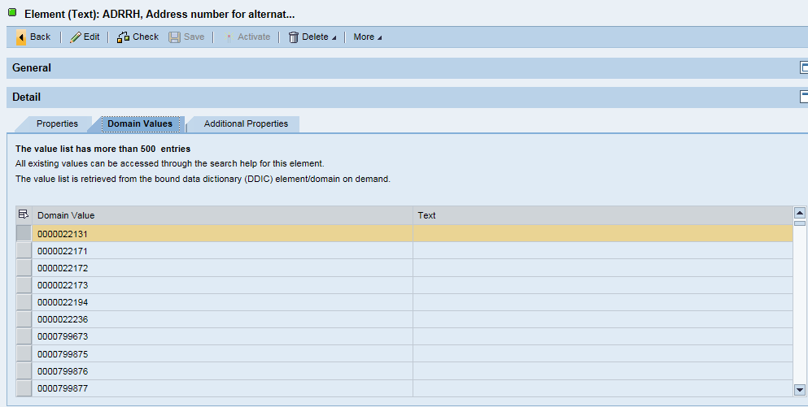
ADRRH, Address number for alternat...

ADRMA, Address number for alternat…
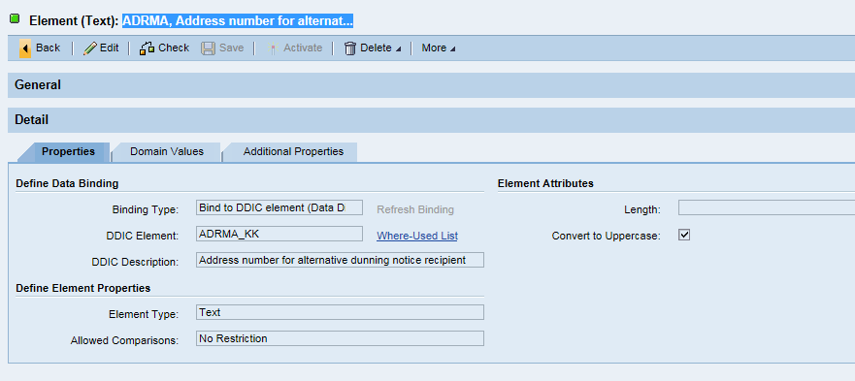
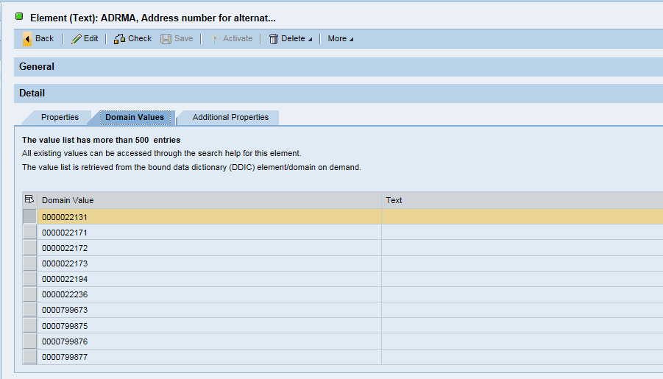

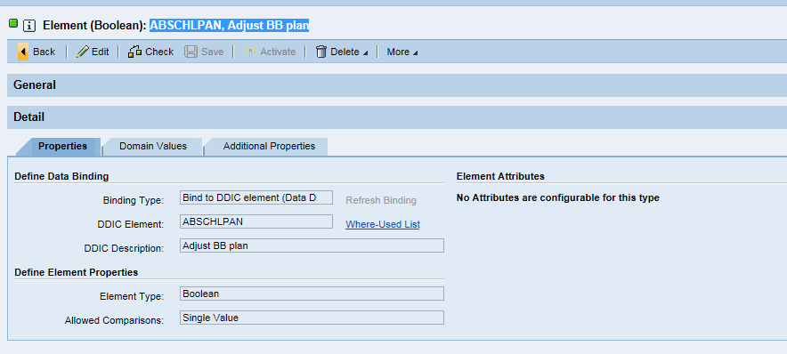
ABSCHLPAN, Adjust BB plan

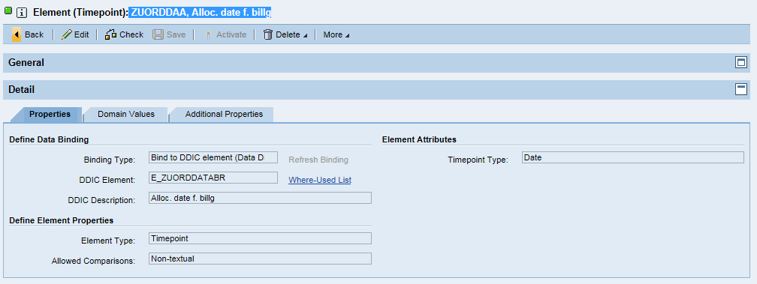
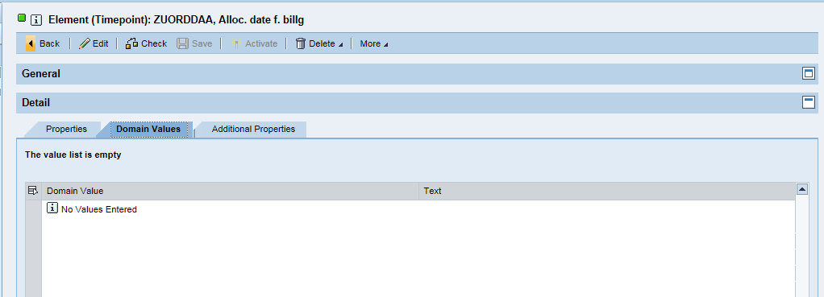
ZUORDDAA, Alloc. date f. billg

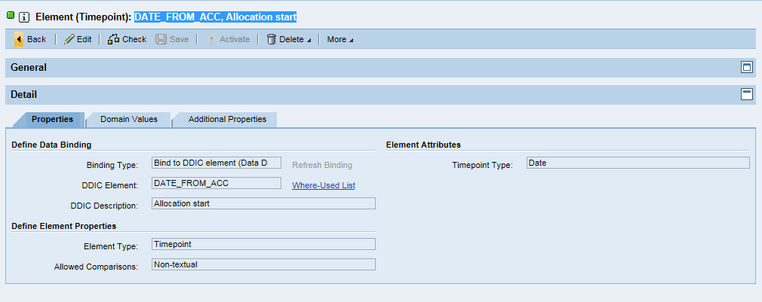
DATE_FROM_ACC, Allocation start

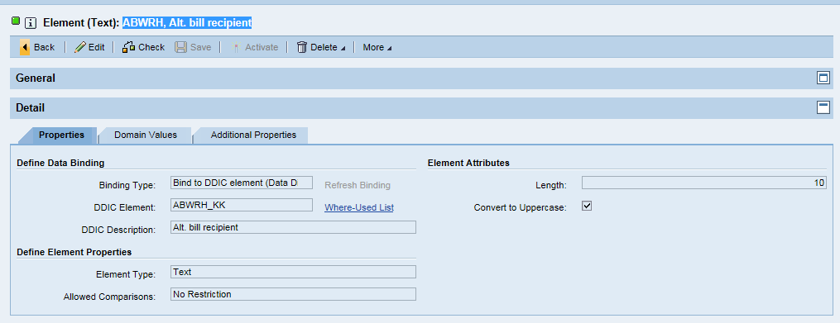
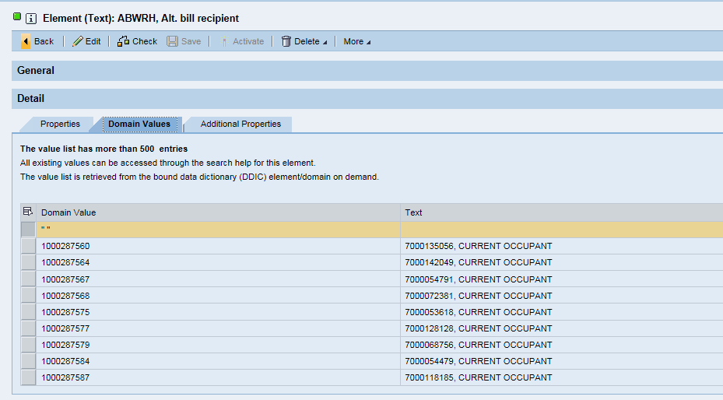
ABWRH, Alt. bill recipient

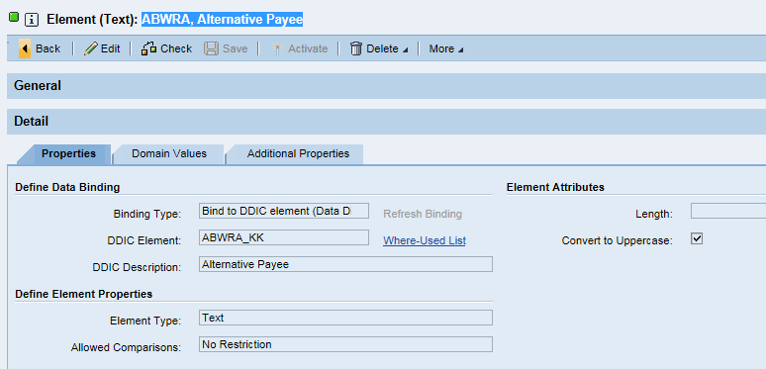
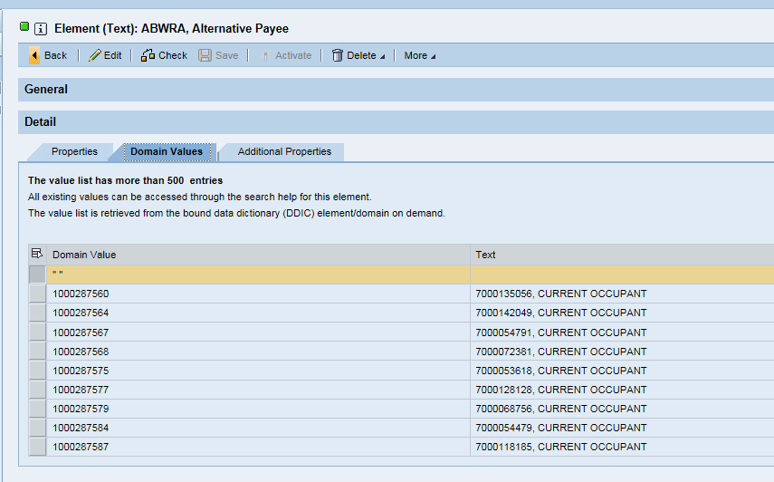
ABWRA, Alternative Payee

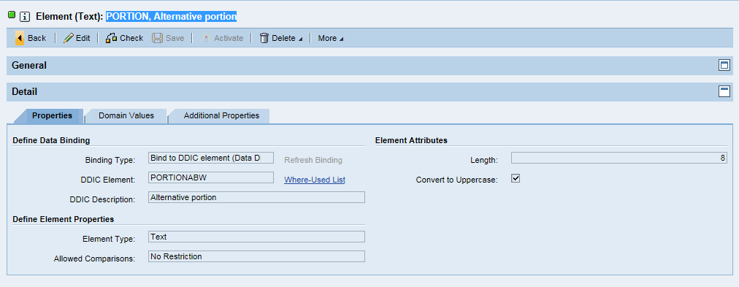
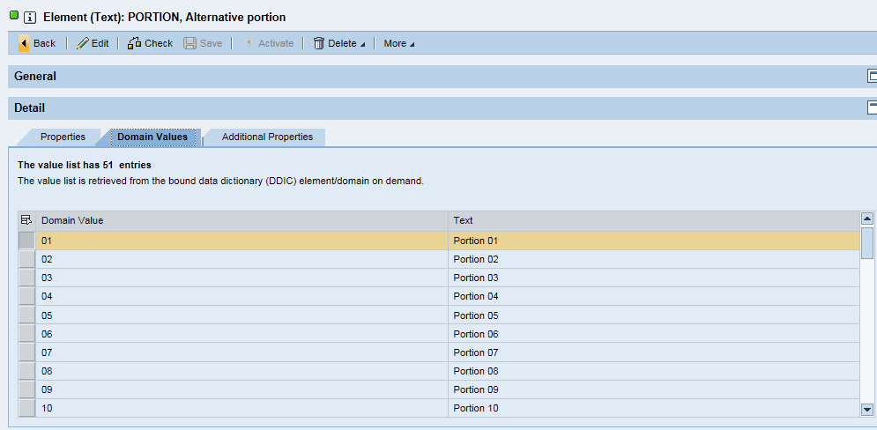
PORTION, Alternative portion

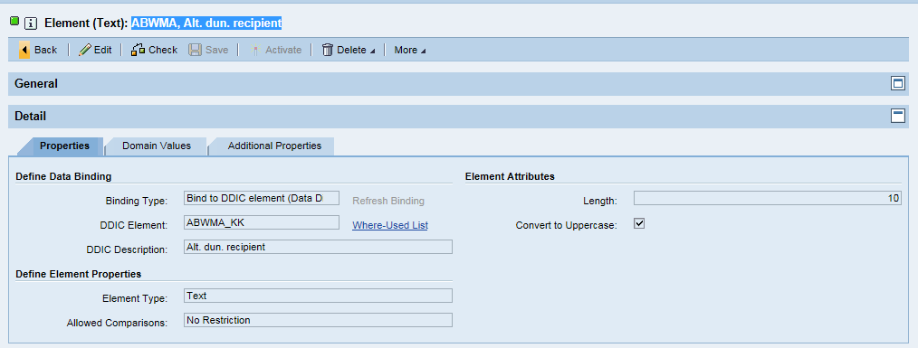
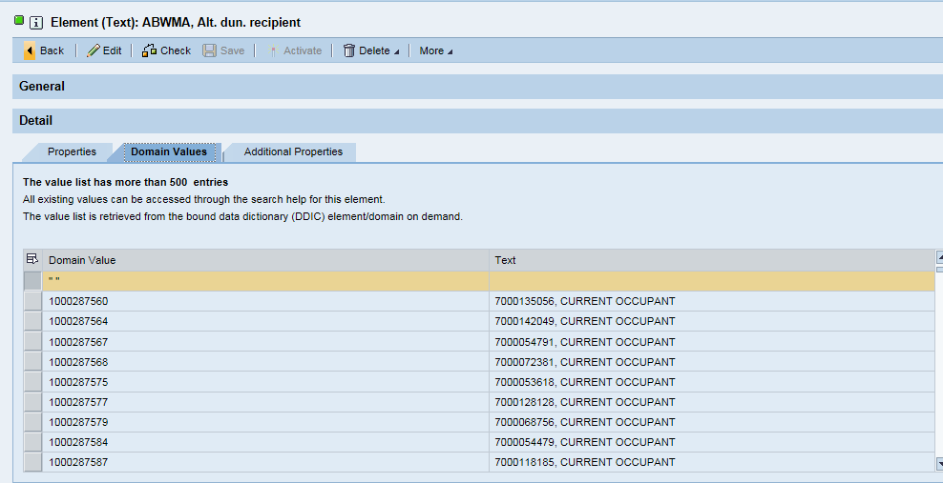
ABWMA, Alt. dun. recipient

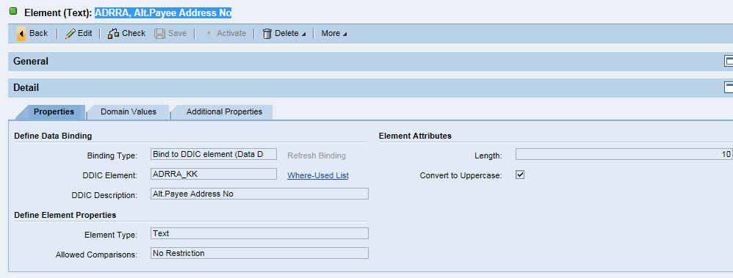
ADRRA, Alt.Payee Address No




PYPLA, Altern. start month



ABWRE, Alternative Payer


AMCG_CAP_GRP, AMCG


CAP_ACT_GRP, AMICAG


E_BETRAG


V_PAST_DUE, Amount



AMS, Adv. Metering System



APPLK_KK



XDELE, Archiving Flag


ZZARCS_OPT_OUT, ARCS Opt out


ASBACH_REL, Change to Assessment Basic …



AUGRP, Authorization Group


BEGRU, Authorization Group



AUTEIGEINZ, Automatic Owner Move-In



BACKBI, Type of backbilling



KBANKS, Bank Country


EBVTY, Bank Det.ID Incoming



ABVTY, Bank Details ID-Outg


KBANKL, Bank Key



ZZCHAPTER, Bankruptcy Chapter


BAPERTYP, Base period category



ABSSTEU, Budget billing cntrl



ABPOPBEL, Budget billing plan



KZABSVER, BB Procedure


ABSSTOPDAT, Bud.bill.stop date



BFA_CRED_STAT, BFamount credit


BFA_DEB_STAT, BMamount receivable



ININF_FIS, Bill



CONSOLIDATOR_ID, Bill consolidator



FORMKEY, Bill form


MANABR, Bill manually


BILLING_PERIOD, Billing Key Date



ABRSPERR, Billing block reas



ORIGDOC, Origin of bill. doc.



AKLASSE, Billing class


INV_CYCLE, Billing Cycle


BELNR, Billing Document No



BILLMETHOD, Billing method


BP_BILL, Billing Period



SCHEMANR, Billing Schema



BILLING_PARTY, Billing Serv. Prov.



ABRVORG, Billing Transaction


BILLFINIT, Bill.-Rel.Terminatn.


BIRTHPL, Birthplace


ABLSPERR, Blocking reason


ZZPETITION_DATE, Bankruptcy Petition Date


ZZCASE_NUMBER, Bankruptcy Case Number



ELECTRIC_ONLY, Boolean Variable (X=true, -…


V_OVERTHEAIR_COMBO, Boolean Variables (X=true, …



BPCONTACT, BP Contact



SENDCONTROL_GP, Bus. part. disp.ctrl


PARTNER_GUID, Business Partner GUID



BPL_XPOCL, Post./Clearing Lock



ABRVORG2, BP Per.-End billing


GPART, Business Partner


GUID, Business Agreement GUID



GSBER, Business Area



BUPLA, Business place



PARTNER, Business Partner


BERGRUND, Calculation reason


ZCALLERNAME, Caller Name


KUENDDAT, Cancellation Date



KUENPER, Cancel. time unit



CANCREASON_NEW, Cancellation Reason


ZZCAPLOAN, CAP Loan


CCARD_ID, Pymt Card ID Incomg


CCARD_OUT, Payment Card ID Out.



EXTRAPOLWASTE, Cat.BB.Extrapolation



XBLCK, Central Block


CHTIM, Changed at


CHUSR, Changed by


AENAM, Changed by


AEDAT, Changed On


VALUE, Characteristic Value


NAME, Characteristic Name



INV_CHGDISC_X, Charges/Discounts Exist


LOCATION_3, Check digit



CCLASS, Contact Class



VERTYP, Clearing Category



PERSR, Clerk Responsible


FDZTG, Cash Mgmt Extra Days


COKEY, CO Acct Assignment



ABWVK, Collective bill acct


STRAT, Collection Strategy



REGIOGR_CA_B, Commercial RSG



BUKRS, Company Code



OPBUK, Company Code Group



HAUS, Connection Object


ABLFDNR, Consecutive Number



VKTYP, Contract Acct Categ.


VKBEZ, Contract acct name

CONTACT





CPERS, Coll. Contact Person


VERTRAG, Contract


VKONT, Contract Account


CONTRACTCLASS, Contract Class


VENDDAT, Contract end date


VBEGDAT, Contract start date



CORR_MAHNV, CorrespDunningProc.



DEF_REC, Corresp. Recipient



COPRC, Correspondence Variant


LANGU_CORR, Correspondence lang.



KOSTL, Cost Center


COUNTRY



CNDSC, Country of Origin


COUNTY, County code



ABSANFBZ, Cash payer BB req.


CRTIM, Created at


CRUSR, Created by


ERDAT, Created On


CRINF_FIS, Credit Memo



ACTPERIOD, Curr. bill. per. cat.


VABSCHLKND, Cust.cont.conclusion



CUSTINFO, Customer Information



SOURCE, Data Origin

Structure




ERCH, Billing Doc. Data










S_BUT000, BP: General data I










Structure: BUT0ID, BP: ID Numbers





BCONT, Business Partner Contact

S_FKKVK, Contract Account Header












S_FKKVKP, Contract Account Partner-Sp…



ZSPPM_ASP_ACCOUNTS, Current ASP accounts



ZSPPM_CHARACTERISTICS, Device Location Characteris..



ZSPGM_ENROLLED, Enrolled Pgm




ZSPGM_EXCLUSION, Exclusion ID





S_EGERH, Historical Data of ISU Devi…




EANLH, Install.Time Slice

EANL, Installation





ETTIFN, Installation Facts (Normal)











EVER, IS-U Cont.


ZSENRL_INT_STRUC, Pre Check Input Structure





S_EVBS, Premise


ETTAT, Rate Cat.(Texts)


ZSPGM_BRF_RETURN, Return structure for BRF+ r...











S_RULESET_CONTEXT, Ruleset Context

Table




TPGM_ENROLLED, Enrolled Programs












T_ERCH, ERCH Table





T_ETTIFN, ETTIFN Table


T_PGM_EXCLUSION, Exclusion Table




ET_RETURN, Return Table




T_BUT0ID, SAP BP: Table Type for Tran…


T_ETTAT, Standard table for structur…




T_EANLH, Table EANLH



T_EANL, Table type EANL

Table: T_CURR_ASP_ACCTS, Table Type for Current ASP ...


T_DEVLOC_CHAR, Table type for Device Locat...







T_EVER, Table Type for Table EVER




T_BCONT, Table Type of BCONT

Expression-DBLOOKUP





 | DBL_FETCH_VALID_BP, Validate BP


DBL_FETCH_VALID_CA, Validate CA


DBL_FETCH_VALID_FUNC_LOC, Validate Functional Location

Expression-Decision Table


DECT_PGM_TYPE, Program Types Decision Table

Expression-Procedurecall


EPC_ADD_MESSAGE, Add Mesg to Return Table

ZISM_RETURN_MESSAGE

EPC_CHECK_EMAIL, Check Email Format

ZPGM_CHECK_EMAIL



EPC_GET_ENROLLMENT, Get Already enrolled

ZPGM_GET_ENROLLED_PLAN




EPC_GET_CONTEXT, Get Context Value

ZPGM_ELIGIBILITY_GET_CONTEXT



EPC_GET_EXCLUSION, Get Exclusion for BP
ZPGM_GET_EXCLUSION



EPC_MOVE_DATA, Move Data
ZPGM_MOVE_DATA

Expression-Table Operation


TO_ENROLL_CHECK, Check Enrollment


TO_EXCLUSION_CHECK, Check Exclusion

Function




FUNC_PGMENRL_PRECHECK, PGM Pre-Validation Checks

Rule


RU_PPM_CHECK_2_ENRLS_IN_12MON, Check Customer has 2 Enroll…


RU_DPP_CHECK_KTOKL, Check for Residential Customer




RU_PPM_CHECK_ASP, Check Customer is on ASP



RU_PPM_CHECK_BILL_CONSOLIDATOR, Check Customer on Bill Cons…

RU_DPP_CHECK_BP_EMPTY, Check BP passed in the inte…


RU_DPP_CHECK_BP_EMPTY, Check BP passed in the inte…




RU_DPP_CHECK_BP_VALID, Check BP passed in the inte…


RU_DPP_CHECK_BP_VALID, Check BP passed in the inte…


RU_DPP_CHECK_CA_DEL, Check Contract Account has …


RU_DPP_CHECK_CA_EMPTY, Check CA passed in the inte…


RU_DPP_CHECK_CA_VALID, Check contract account vali…


RU_PPM_CHECK_CAP_LOAN, Check Customer is on Cap Loan


RU_PPM_CHECK_COLLECTIVE_ACCT, Check Customer on Collectiv…


RU_PPM_CHECK_COMBO, Check Customer is on Combo …


RU_PPM_CHECK_CSDD, Check Customer on CSDD


RU_DPP_CHECK_ENROLLDATE_EMPTY, Check Date passed in the in…


RU_PPM_CHECK_DIRECT_PAY, Check Customer is on Direct…


RU_PPM_CHECK_EXISTING_DRECTPAY, Check Existing Customer is …


RU_PPM_CHECK_CUST_DPP_RATE_CAT, Check Customer is on DPP wi…


RU_PPM_CHECK_ELEC_ONLY, Check Customer is Electric …


RU_DPP_CHECK_ESMOPT_OUT, Check Electric optout flag ...


RU_DPP_CHECK_EMAIL, Check Email Format


RU_DPP_CHECK_EMAIL_EMPTY, Check Email is passed in th…


RU_DPP_CHECK_ENROLL, Check Enrollment in other p…


DPP_CHECK_ENROLL_DLA, Check whether enrolled in DLA


RU_DPP_CHECK_EXCLUSION, Check Exclusion


RU_PPM_CHECK_FAIL_FACTA, Check Customer on Fail Fact…


RU_PPM_CHECK_FUTURE_MO, Check Customer is Future Mo…


RU_PPM_CHECK_GAS_ONLY, Check Customer is Gas Only


RU_PPM_CHECK_CUST_RATE_CAT_GAS, Check Customer is not on Ra…


RU_PPM_CHECK_GREEN_GENERATION, Check Customer on Green Gen…


RU_PPM_CHECK_IFACTOR, Check Customer is on Ifactor


RU_DPP_CHECK_INST_PLAN, Check whether Installment P…


RU_DPP_CHECK_INT_DATA, Check whether interface BMD…


RU_PPM_CHECK_LIFE_SUPPORT, Check Customer on Life Support


RU_PPM_CHECK_MULTI_ACTIVE_CA, Check Multiple Active CA


RU_PPM_CHECK_NETMETER, Check Customer Net Metering…

Rule Set


